Various
Electricity consumption in the overall model range excl. electricity consumption for collective heat. Consumption is ab network (net). (TWh)

Germany Net Electricity Consumption (TWh)
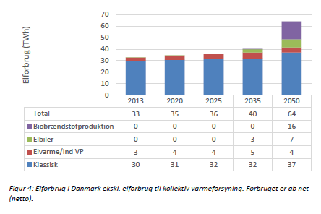
 | 2013 | 2020 | 2025 | 2035 | 2050
Germany | 524 | 493 | 494 | 497 | 501
Ref. | Fjernvarmeanalyse - bilagsrapport
 | MODELBEREGNINGER AF SCENARIER FOR FJERN-VARMENS UDVIKLING I FREMTIDENS ENERGISYSTEM
 | by EA - Energy Analysis, 21 1 2014

 | 2015 | 2020 | 2025 | 2035 | 2050
Germany | 515.14285714 | 493 | 494 | 497 | 501
Ho calcolato io il 2015 aassumendo linearita'

District heating consumption to consumer (net) in the countries of the model. (TWh)

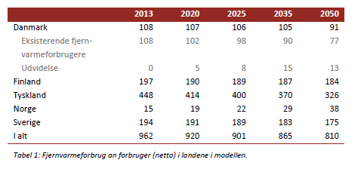
 | 2013 | 2020 | 2025 | 2035 | 2050
Germany | 448 | 414 | 400 | 370 | 326
Ref. | Fjernvarmeanalyse - bilagsrapport
 | MODELBEREGNINGER AF SCENARIER FOR FJERN-VARMENS UDVIKLING I FREMTIDENS ENERGISYSTEM
 | by EA - Energy Analysis, 21 1 2014
Germany DH Net Consumption (TWh)
 | 2015 | 2020 | 2025 | 2035 | 2050
Germany | 438.28571429 | 414 | 400 | 370 | 326
Ho calcolato io il 2015 aassumendo linearita'
 | 2015 | 2020 | 2025 | 2035 | 2050
Germany | 525.94285714 | 496.8 | 480 | 444 | 391.2

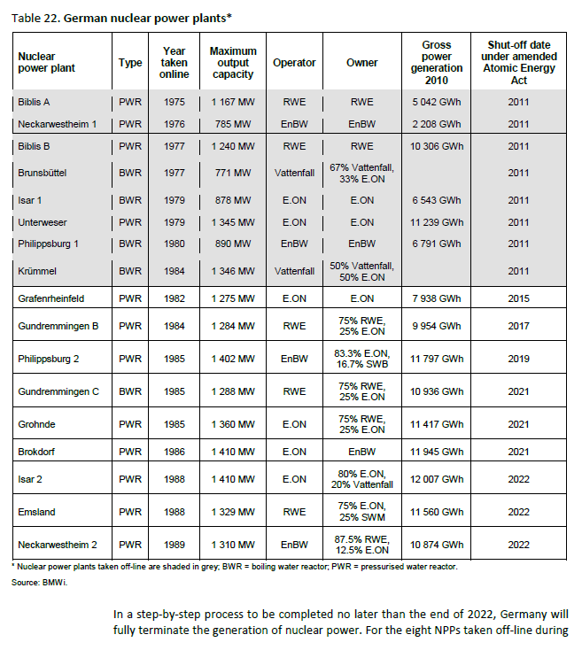
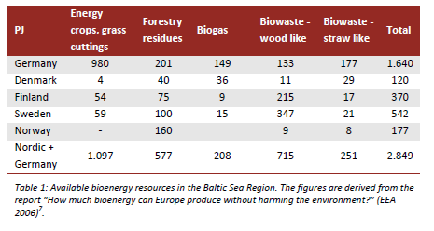

PJ | Energy crops, grass cuttings | Forestry residues | Biogas | Biowaste - wood like | Biowaste - straw like | Total
Germany | 980 | 201 | 149 | 133 | 177 | 1640 |  | Nuclear power plant | Type | Year taken online | Maximum output capacity | Gross power generation 2010 | Shut-off date under amended Atomic Energy Act
Ref. | Fjernvarmeanalyse - bilagsrapport |  |  |  |  |  |  | Biblis A | PWR | 1975 | 1 167 MW | 5 042 GWh | 2011
 | MODELBEREGNINGER AF SCENARIER FOR FJERN-VARMENS UDVIKLING I FREMTIDENS ENERGISYSTEM |  |  |  |  |  |  | Neckarwestheim 1 | PWR | 1976 | 785 MW | 2 208 GWh | 2011
 | by EA - Energy Analysis, 21 1 2014 |  |  |  |  |  |  | Biblis B | PWR | 1977 | 1 240 MW | 10 306 GWh | 2011

 |  |  |  |  |  |  |  | Brunsbüttel | BWR | 1977 | 771 MW |  | 2011
 |  |  |  |  |  |  |  | Isar 1 | BWR | 1979 | 878 MW | 6 543 GWh | 2011
 |  |  |  |  |  |  |  | Unterweser | PWR | 1979 | 1 345 MW | 11 239 GWh | 2011
 |  |  |  |  |  |  |  | Philippsburg 1 | BWR | 1980 | 890 MW | 6 791 GWh | 2011
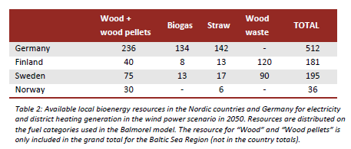
 | Wood + wood pellets | Biogas | Straw | Wood waste | TOTAL |  |  | Krümmel | BWR | 1984 | 1 346 MW |  | 2011
Germany | 236 | 134 | 142 | - | 512 |  |  | Grafenrheinfeld | PWR | 1982 | 1 275 MW | 7 938 GWh | 2015
Ref. | Fjernvarmeanalyse - bilagsrapport |  |  |  |  |  |  | Gundremmingen B | PWR | 1984 | 1 284 MW | 9 954 GWh | 2017
 | MODELBEREGNINGER AF SCENARIER FOR FJERN-VARMENS UDVIKLING I FREMTIDENS ENERGISYSTEM |  |  |  |  |  |  | Philippsburg 2 | PWR | 1985 | 1 402 MW | 11 797 GWh | 2019
 | by EA - Energy Analysis, 21 1 2014 |  |  |  |  |  |  | Gundremmingen C | BWR | 1985 | 1 288 MW | 10 936 GWh | 2021
 |  |  |  |  |  |  |  | Grohnde | PWR | 1985 | 1 360 MW | 11 417 GWh | 2021
 | For all scenarios, it is assumed, that 90 % of the biogas resources is available for electricity and district heating and 80 % of the straw resource throughout the modelling period. Maximum 75 % of energy crops, forestry residues and wood like biowaste fractions will be used for power and district heating gen-eration in the beginning of the period and this is reduced to 25 % in 2050 as this biomass is assumed to be increasingly used in other sectors. With these shares 35% of the total bioenergy resource will be available to the electricity and district heating sector. |  |  |  |  |  |  | Brokdorf | PWR | 1986 | 1 410 MW | 11 945 GWh | 2021
 |  |  |  |  |  |  |  | Isar 2 | PWR | 1988 | 1 410 MW | 12 007 GWh | 2022
 |  |  |  |  |  |  |  | Emsland | PWR | 1988 | 1 329 MW | 11 560 GWh | 2022
 |  |  |  |  |  |  |  | Neckarwestheim 2 | PWR | 1989 | 1 310 MW | 10 874 GWh | 2022

 |  |  |  |  |  |  | Energy Policies of IEA Countries Germany
 |  |  |  |  |  |  | 2013 Review
 |  |  |  |  |  |  | pp. 172

